1. Title Page
Grocery Basket Analysis

Project Name: Instacart Grocery Basket Analysis
Date: 01.11.2023
Analyst Name: Xingcen Zhou



Contents:
Population Flow
Consistency checks
Wrangling steps
Column derivations
Visualizations
Recommendations

2. Population Flow
Title page

Population flow

Orders_products_combined
Orders_products_merged
Orders_products_merged_sub_customers

Total: 32434489
Total: 32434489
Total: 32404859

3. Consistency checks
 |  |  |  | Title page
Consistency checks

Dataset | Missing values | Missing values treatment | Duplicates
orders | 206209 null values | Keep. The orders with those missing values are precisely the first order of all customers. The nulls are not due to error, but are expected. | No duplicates
products | 16 null values | Created a subset 'df_prods_clean' to exclude these rows. | 5 duplicates found and deleted using .drop_duplicates()
orders_products_prior | No missing values | Not needed | No duplicates
customers | No missing values | Not needed | No duplicates

4. Wrangling steps
 |  |  |  | Title page
Wrangling steps

Columns dropped | Columns renamed | Columns' type changed | Comment/Reason
orders
eval_set' |  |  | Irrelevant
 | order_dow' to 'orders_day_of_week' |  | Better readability
 |  | Type of 'order_id' changed to string | Order IDs are made of numbers but are not numeric values.
orders_products_merged
_merge' |  |  | Not needed
orders_wrangled
Unnamed: 0' |  |  | It is a duplication of the index column.
customers
 | 'First Name' to 'first_name' |  | Better readability
 | 'Surnam' to 'surname' |  | Better readability
 | 'Gender' to 'gender' |  | Better readability
 | 'STATE' to 'state' |  | Better readability
 | 'Age' to 'age' |  | Better readability
 | 'date_joined' to 'date_joined' |  | Better readability
 | 'n_dependants' to 'n_dependents' |  | Better readability
 |  | Type of 'user_id' changed to string | User IDs are made of numbers but are not numeric values.
'first_name' |  |  | PII and irrelevant
'surname' |  |  | PII and irrelevant
'date_joined' |  |  | Irrelevant

5. Column derivations
 |  |  |  | Title page

Column derivations and aggregations

Dataset | New column | Column/s it was derived from | Conditions
orders_products_merged | _merge |  | A merge flag, the by-product of merge
orders_products_merged | price_range | prices | Groups the product price into three categories: 1. If the price is under 5, the product is a low-range product. 2. If the price is between 5-15, the product is a mid-range product. 3. If the price is above 15, the product is a high-range product
orders_products_merged | busiest_day | orders_day_of_week | Groups a week's days into three categories based on the results of finding order distribution: 1. If orders_day_of_week is 0, the day is a busiest day. 2. If orders_day_of_week is 4, the day is a least busy day. 3. If orders_day_of_week is anything else, the day is a regularly busy day.
orders_products_merged | busiest_days | orders_day_of_week | Groups a week's days into three categories based on the results of finding order distribution: 1. If orders_day_of_week is 0 or 1, the day is a busiest day. 2. If orders_day_of_week is 3 or 4, the day is a least busy day. 3. If orders_day_of_week is anything else, the day is a regularly busy day.
orders_products_merged | busiest_period_of_day | order_hour_of_day | Groups a day's hours into three categories based on a scatter plot that visualizes the order counts at each hour of a day: 1. If the hour of the day is between 9-16, it is categorized as the busiest period, and assigned a string value 'Most orders'. 2. If the hour of the day is 7, 8, or between 17-22, it is categorized as the average busiest period, and assigned a string value 'Average orders'. 3. If the hour of the day is between 0-6, it is categorized as the least busiest period, and assigned a string value 'Fewest orders'.
orders_products_merged | max_order | user_id, order_number | Aggregates each customer's total order count.
orders_products_merged | loyalty_flag | max_order | Groups the customers into three loyalty categories: 1. If the max_order is under 5, the customer is a new customer. 2. If the max_order is between 10-40, the customer is a regular customer. 3. If the max_order is above 40, the customer is a loyal customer.
orders_products_merged | avg_prods_price | user_id, price | Calculates each customer's average spend of products.
orders_products_merged | spending_flag | avg_prods_price | Groups the customers into two spending categories: 1. If the avg_prods_price is under 10, the customer is a low spender. 2. If the avg_prods_price is above 10, the customer is a high spender.
orders_products_merged | median_days_since_prior_order | user_id, days_since_prior_order | Calculates each customer's median 'days_since_prior_order'
orders_products_merged | regularity_flag | median_days_since_prior_order | Groups the customers into three frequency categories: 1. If the median_days_since_prior_order is under 10, the customer is a non-frequent customer. 2. If the median_days_since_prior_order is between 10-20, the customer is a regular customer. 3. If the median_days_since_prior_order is above 20, the customer is a frequent customer.
orders_products_merged | region | state | Categorizes each state based on their region.
op_active_customers | low_act_exclusion_flag | max_order | Groups the customers into two categories: 1. If the max_order is under 5, the customer is to be excluded in further analysis. 2. If the max_order is above 5, the customer is to be included in further analysis.
op_active_customers | age_group | age | Categorizes each customer into one of these age groups: 18-29. 30-39. 40-49, 50-59, 60-69, 70-81.
op_active_customers | income_group | income | Categorize each customer's income into 4 groups: 1. 'Low' for an income between 25k-50k. 2. 'Lower Middle' for an income between 50k-75k. 3. 'Upper Middle' for an income between 75k-100k. 4. 'High' for an income above 100k.
op_active_customers | dependents_status | n_dependents | Categorize each customer's dependent situation into 2 groups: 1. 'No Dependents' for an n_dependents of 0. 2. '1 or More Dependents' for an n_dependents above 0.
op_active_customers | baby_flag | user_id, department, and df_babies (dataframe) | Categorize each customer's family situation into 2 groups: 1. 'With baby(ies)' for all customers who purchased baby products. 2. 'Without baby(ies)' for all customers who haven't purchased baby products.
op_active_customers | customer_profile | baby_flag, fam_status | Based on the (lack of) purchases of baby products and the family status, group each customer into one of the six categories: 1. Married household without baby(ies) 2. Single household without baby(ies) 3. Two-or-more person household without baby(ies) 4. Married household with baby(ies) 5. Single household with baby(ies) 6. Two-or-more person household with baby(ies)
op_with_profiles | househould_type | fam_status | Further group the fam_status into three categories: 1. Married Household 2. Single Household 3. Two-or-more person Household

6. Visualizations
 |  |  |  |  |  | Title page

Visualisations

 |  |  |  |  | Exploratery Analysis

 |  | Average Order Counts by Hour of Day |  |  |  | Forecast of Average Price of Ordered Products by Hour |  |  |  |  |  |  | Order Distribution by Day of Week

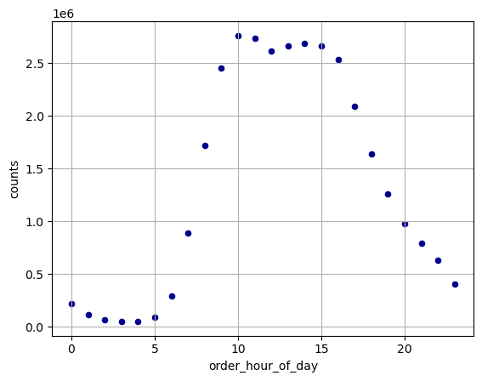
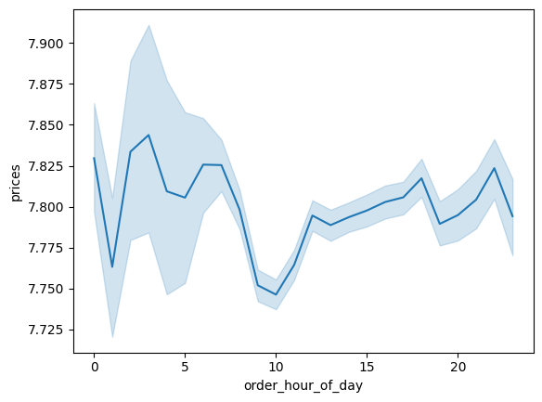
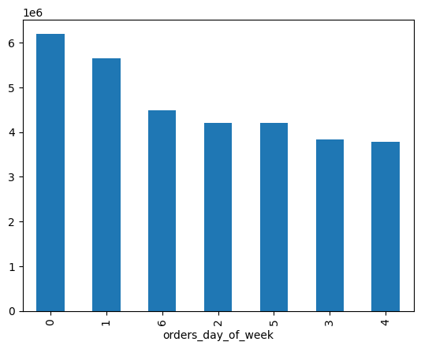

 |  |  | The busiest hours of the day are between 9-16, the least busiest hours are between 0-6. |  |  |  |  |  |  | The average price seems to have its low at around 10am during the day; during other hours, it tends to fluctuate. Interestingly, the forecast shows that the average price during 2-5am is most volatile. |  |  |  | Sunday (value 0) and Saturnday (value 1) are two of the most busiest days.

 |  |  |  |  |  |  | Distribution of Income by Age |  |  |  |  | Distribution of Customer Loyalty
 | Average Price of Purchased Products by Day of Week
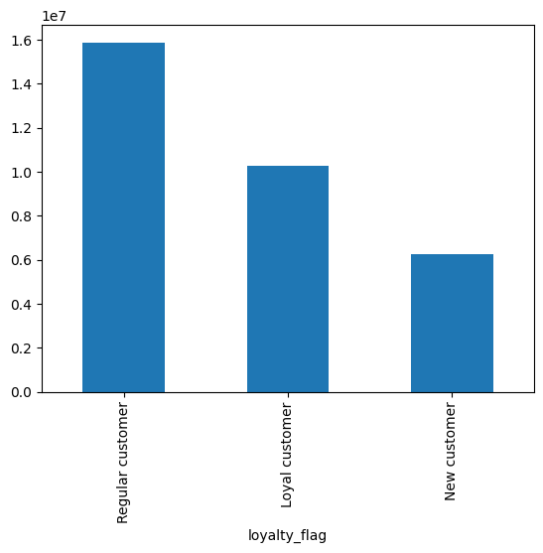
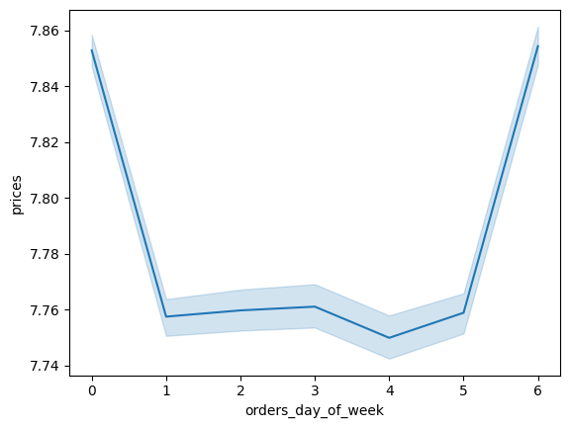

 |  |  | The days with the highest average product price are day 0 and 6; the days with the lowest average product price are day 1-5. |  |  |  |  |  |  | Income seems to increase with age, but the correlation is weak. |  |  |  | Most customers are regular customers, followed by loyal customers. It seems that Instacart is great at retaining customers, and may need to attract more new customers.

 |  |  |  |  |  |  | Customer's Income Distribution
 |  | Customer's Age Distribution |  |  |  |  |  |  |  |  |  | Popularity of Products by Category

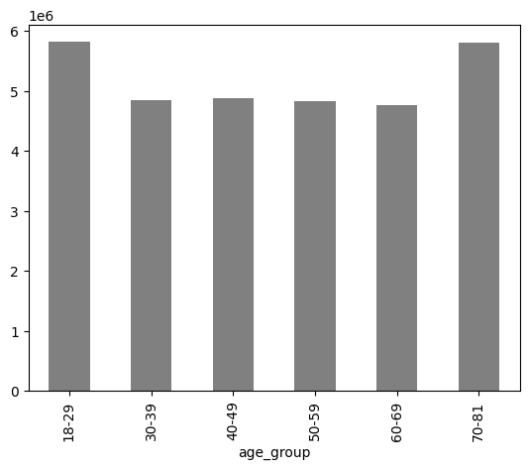
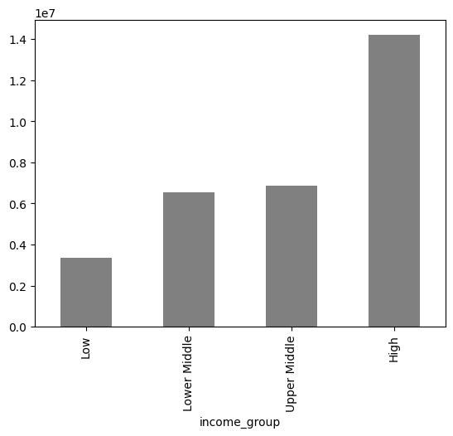
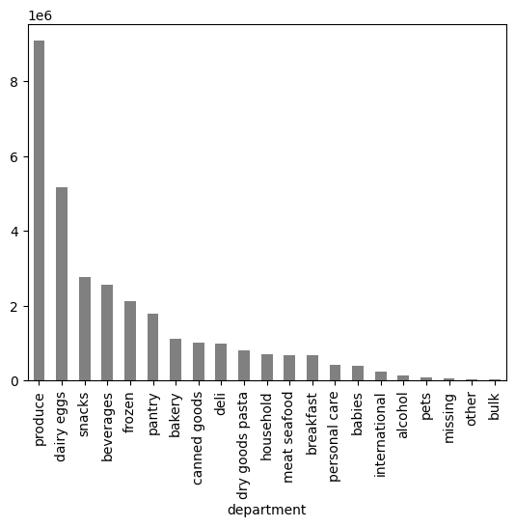
 |  |  | The age groups are evenly distributed; Though, there are more customers between the age of 18-29 and 70-81 than the rest of the age groups. |  |  |  |  |  |  | Around half of Instacart's customers have a high income, followed an upper middle and a lower middle income. |  |  |  | The top five best-selling categories are produce, dairy eggs, snacks, beverages, and frozen.

 |  |  |  | Customer Profile Analysis

 | Distribution of Customer Profile |  |  |  |  |  |  |  | Customer Profile by Household Type and Age Group

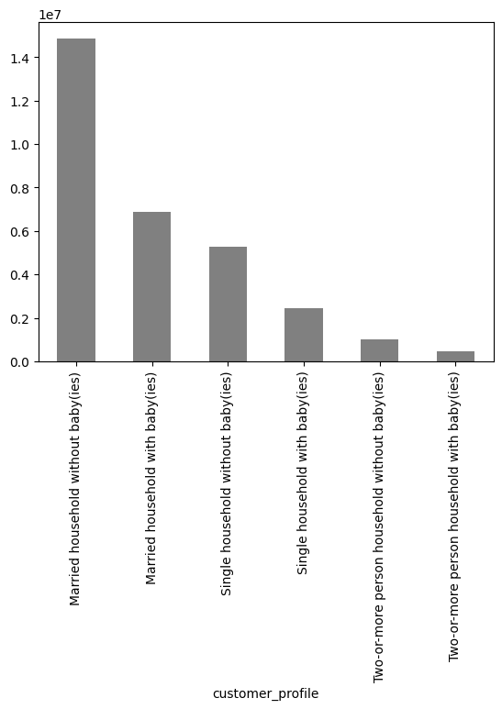
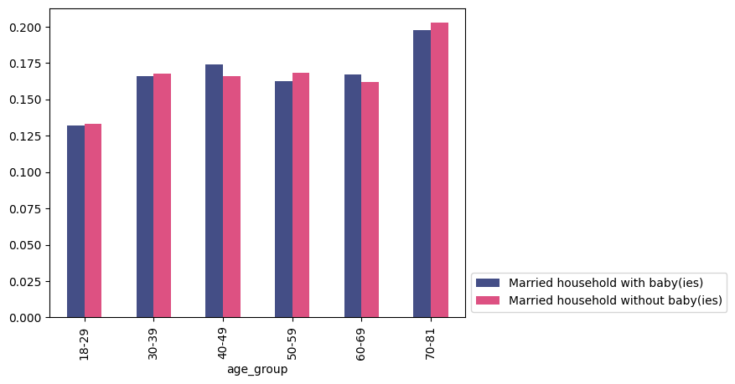
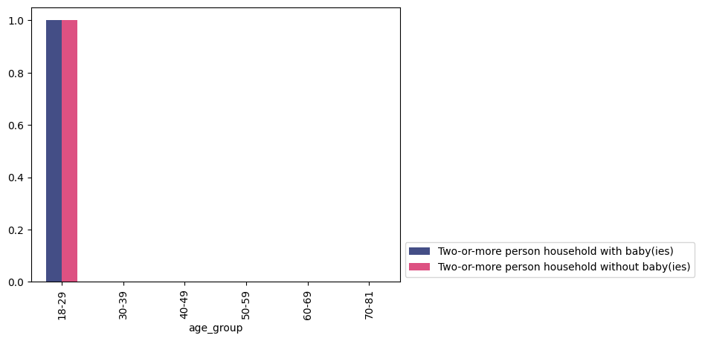

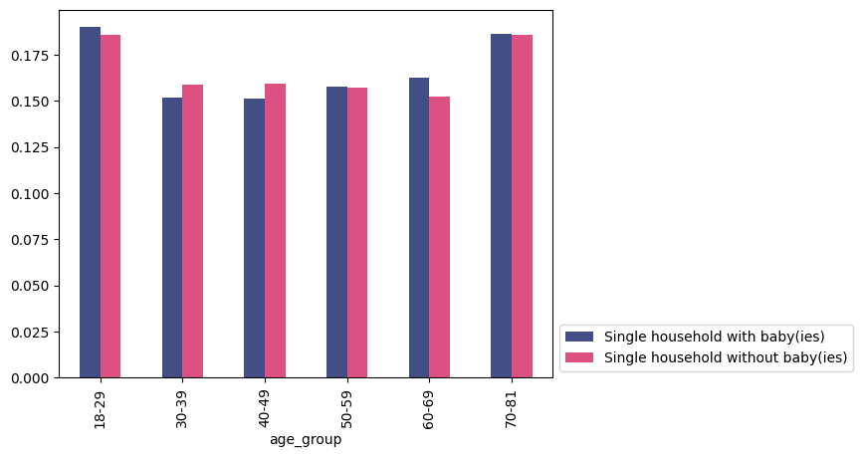
 |  |  |  |  |  |  |  |  |  |  | Married households: The number of these households has weak positive correlation with age. Single households: The number of these households peaks within the age groups 18-29 and 70-81. The reason for that might be the former group of customers are indeed single, while the latter group of customers are either single or widowed due to old age. The plot also shows that the two family status - with and without baby(ies), are almost on par across all age groups. While single households within the age 18-59 seem to have fewer baby(ies) than married households, single households do have more baby(ies) than married households after the age of 60. Surprisingly, the two-or-more person household type only shows up within the age group 18-29.

 |  | Most of Instacart's customers have a married household, and 1/3 of the married households have baby(ies).

Distribution of the Number of Dependents |  |  |  |  |  |  |  | Customer Profile by Household Type and District

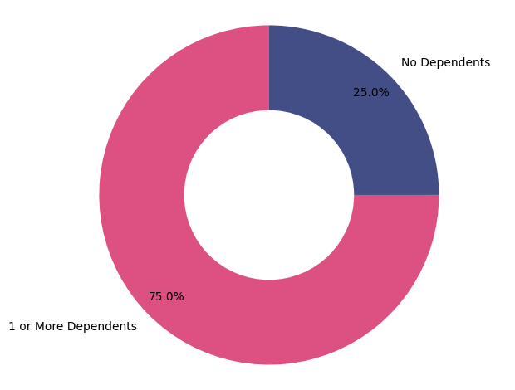
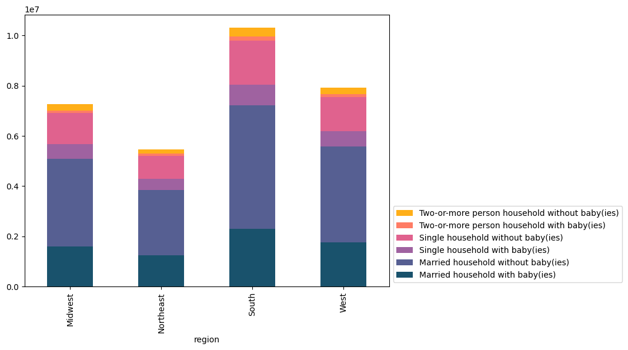
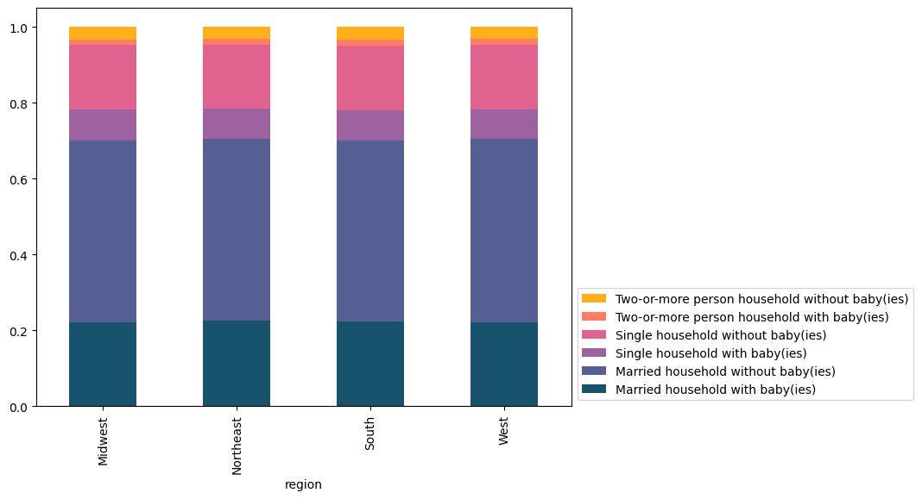

 |  | 3/4 of all customers have one or more dependents. |  |  |  |  |  |  | Although the South district has the highest percentage of customers, and the Northeast have the lowest percentage of customers, all districts have a highly similar distribution of customer profiles.

 |  |  |  | Customer Profile by Household Type and Purchased Product

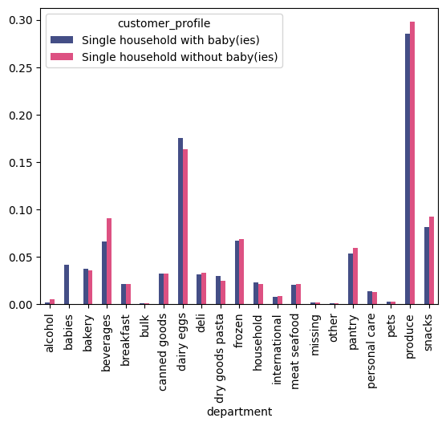
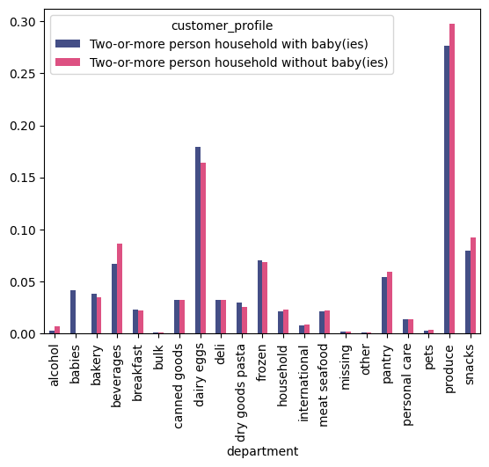


 |  |  |  | Regardless of household types, if a customer doesn't have baby(ies) in the household, they tend to buy more alcohol, beverages, pantry, produce, and snacks. In the meantime, if the customer has baby(ies) in the household, they will buy baby products, and they tend to buy more dairy eggs.

7. Recommendations
 |  |  |  | Title page

Recommendations

What are the busiest days of the week and hours of the day?

The busiest days of the week are Saturnday (value 0) and Sunday (value 1). | The busiest hours of the day are between 9am-4pm.
The pattern of orders follow a common schedule where the volumn of orders peak during the day and on the weekends, lows during the night and during the weekdays. An assumption based on this observation is that the customers are typically working during the week and free during the weekend, and the products are mostly needed during the day.
Recommendation: to increase the orders during weekdays, Instacart can enhance their online shopping experience so that customers can easily place orders during their spare time, and receive the order in the evening after work.

Are there particular times of the day when people spend the most money?

Generally, customers tend to spend more money during 12pm-7am (left). The forecast shows a divide within this time frame: the amount spent during 2-7am tend to be volatile, while the amount spend during 12pm-0am tend to stay consistent. However, this graph must be looked at together with the busiest hour of the day (right): Despite the relatively high average spending during 2-5am, the order volumn during this time periode is the lowest; despite the peak in order volumn during 9am-4pm, the average spending of this time period is the lowest.

Recommendation: Increase marketing effort during the day between 9am-4pm for products within the higher price range. There needs to be further investigation in the ordered product categories and the order time, so that Instacart can better tailor its marketing efforts.

How could we use simpler price range groupings?

price_range
Mid-range product 21860860 | We can group the product price into three categories: 1. If the price is under 5, the product is a low-range product. 2. If the price is between 5-15, the product is a mid-range product. 3. If the price is above 15, the product is a high-range product. The table on the left shows the grouping result.
Low-range product 10126321
High range product 417678

Are there certain types of products that are more popular than others?

Generally speaking, the top five best-selling categories are produce, dairy eggs, snacks, beverages, and frozen. | Take customer profile into consideration: regardless of household types, if a customer doesn't have baby(ies) in the household, they tend to buy more alcohol, beverages, pantry, produce, and snacks. In the meantime, if the customer has baby(ies) in the household, they will buy baby products, and they tend to buy more dairy eggs.

Recommendation: increase targeted marketing based on the above highlighted product categories and customer groups.

What’s the distribution among users in regards to their brand loyalty?

 | Most are regular customers, followed by loyal customers.

 | Recommendation: Increase marketing efforts to attract more new customers.

Do some regions have more of a certain type of customers than the other regions?

Although the South district has the highest percentage of customers, and the Northeast have the lowest percentage of customers, all districts have a highly similar distribution of customer profiles.

Recommendation: although there is no observed regional difference in customer profile distribution, Instacart still needs to match its stocks based on the region's amount of customers.

What different classifications does the demographic information suggest? Age? Income? Certain types of goods? Family status?

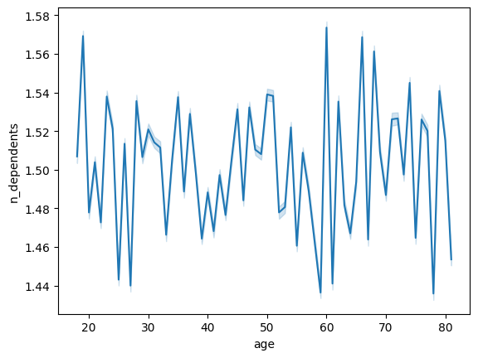

Age | Income | Correlation between age and income | Correlation between number of dependents and age
The age groups are evenly distributed; Though, there are more customers between the age of 18-29 and 70-81 than the rest of the age groups. | Around half of Instacart's customers have a high income, followed an upper middle and a lower middle income. | Income seems to increase with age, but the correlation is weak. | There is no significant correlation between these two variables observed.

 | Number of Dependents (left)
 | 3/4 of all customers have one or more dependents.

 | Customer Profile (right)
 | Most of Instacart's customers have a married household, and 1/3 of the married households have baby(ies).

 | Customer Profile by Age Group (bottom)
 | There is a significant difference in the distribution of customers across age groups based on the customer profile.

 | Recommendation
 | Based on the income distribution, Instacart can add more products within the higher price range in their inventory.

